Sheet1
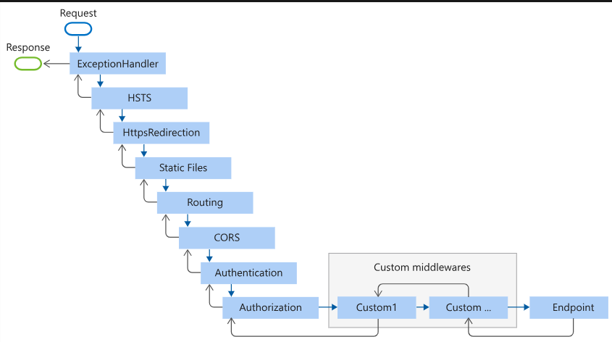
App.run App.use :app. Run will end the request, and app. Use will pass the request to next middleware
Association, aggregation-> family , composition House->kitch and bedroom
Middle ware
How HTTP Request work / Life cycle of HTTP
Minimal APIs
Minimal vs Controller
Fast API
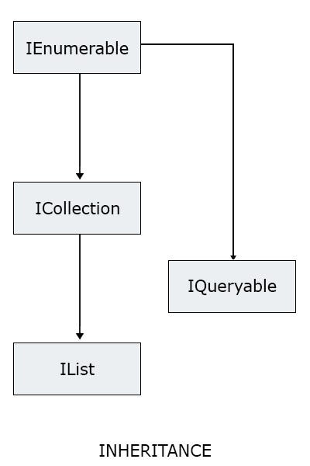
What is DRY
Abstraction vs Encapsulation
Abstraction why we need it.
.Net vs .Net Core
Types of Views in SQL -Simple , Complex , readonly, forced , check option
Index as uniq key but I have Key as int, what’s the difference between them
how I can control object creation of a class, Only five objects can be created and after any of the object is disposed I should be able to add it again when needed.
astracking vs asnotracking
var entities = dbContext.Entities.ToList(); // Equivalent to dbContext.Entities.AsTracking().ToList();
how to invalid the token : if you need to handle token invalidation before expiration (e.g., if a user logs out), you can implement additional mechanisms such as token blacklisting or maintaining a list of revoked tokens on the server.
extensions methods
repository patterns what is the advantage of using it
splitng query functionality lazyloading vs eager loading vs explicit loading
why using user repository instead of plan class
Reflections
DbSet
IfExists vs Any var k = list.Exists(x=>x.Date !=null); var c = list.Any(); var kc = collection.Any();
Singleton pattern :FirstOrDefault returns the first element or a default value for the type if the sequence is empty. SingleOrDefault returns the single element or a default value for the type if the sequence is empty, but it throws an exception if there is more than one element in the sequence.
Ienummerable vs Ilist vs iquerable
Kestral server : light weight, open source and cross plateform web server
oAuth 2
Sessions vs cookies
Jwt token
SOLID
Design Pattern
1-Facad, why , how to implement
2-mediator , how to implement
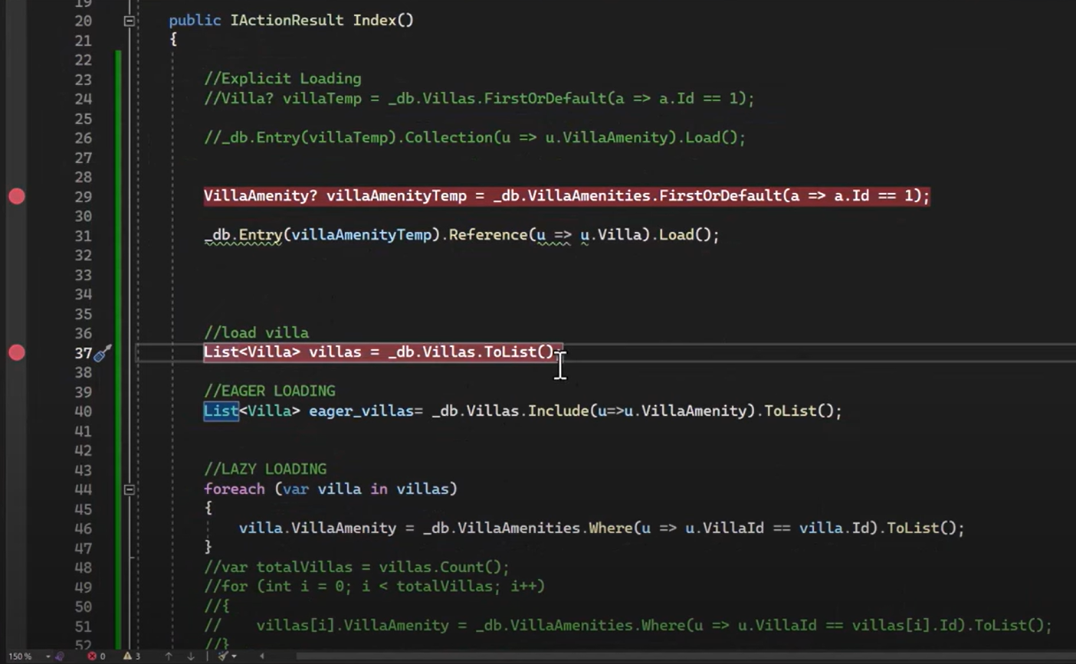
CQRS, why we need it
Factory Design , Why, and how to implement, Give real time examples
Async Programing how it works C#
Deligates and Events
Plimorephisam

AWS
Cognito
Lambda
Databases
Shadows
MQTT
Ques
API Gate way
Code Commits
Serverless Framework
Step functions
Load Balancer

Angulr
String interpolation
two way binding
Promise vs Observables
send data from one component to other (if parent-child, if not parent-child
Proxy objects

ProgressTracker
2 | 2
18 | 18
60 | 60
32
42
71
69
180
474 | 80 | 394 | 16.877637131

HOOKS
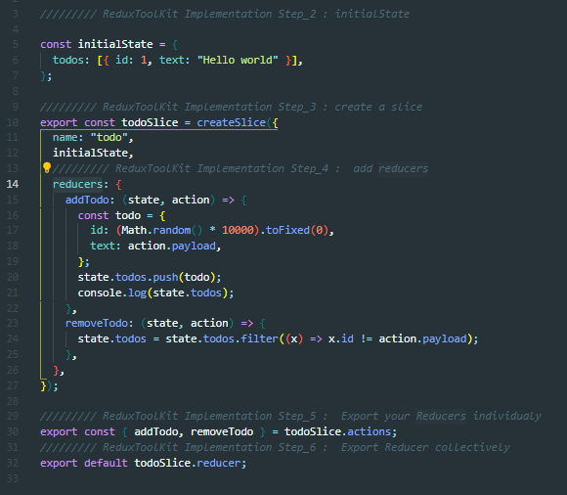
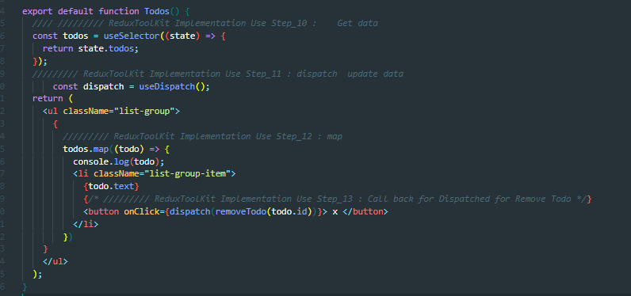
Use Context
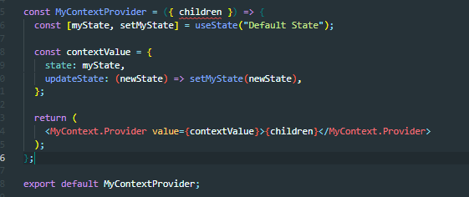
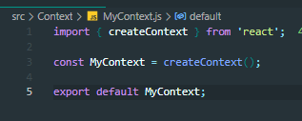
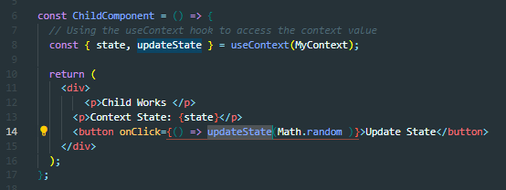

useEffect |  | Deps : yes |  | No , Returns
 | Handles side effects in functional components (e.g., data fetching, subscriptions, manual DOM manipulations).
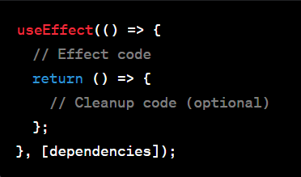
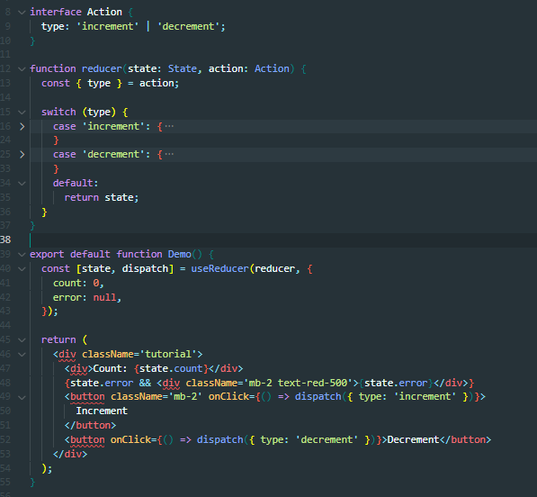

 | useReducer: |  | Deps : no , Returns yes

Manages more complex state logic with a reducer function.

 | useCallback:
Memoizes a callback function to prevent unnecessary re-renders.
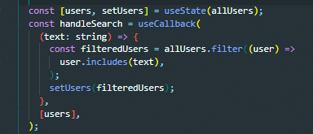

 | javascriptCopy code
 | const memoizedCallback = useCallback(() => {
 | // Callback code
 | }, [dependencies]);

 | useMemo:

 | Memoizes the result of a computation to avoid unnecessary recalculations.

 | javascriptCopy code
 | const memoizedValue = useMemo(() => computeExpensiveValue(a, b), [a, b]);

 | useRef:

 | Provides a mutable object that persists across renders.

 | javascriptCopy code
 | const myRef = useRef(initialValue);

 | useImperativeHandle:

 | Customizes the instance value exposed when using forwardRef.

 | javascriptCopy code
 | useImperativeHandle(ref, () => ({
 | // Imperative methods or values
 | }), [dependencies]);

 | useLayoutEffect:

 | Similar to useEffect but fires synchronously after all DOM mutations.

 | javascriptCopy code
 | useLayoutEffect(() => {
 | // Layout effect code
 | return () => {
 | // Cleanup code (optional)
 | };
 | }, [dependencies]);

 | useDebugValue:

 | Displays a label for custom hooks in React DevTools.

 | javascriptCopy code
 | useDebugValue(value);

 | Redux Tool kit State:

